Oilseed Crushing
 | Assumptions about this analysis:
 | - Oilseed crops used for feedstock can be either purchased or raised.
 | - Biodiesel produced is used to offset diesel purchases for farm or ranch use.

 | Oilseed Crushing Worksheet
 | Fill in all information in blue text that applies to this analysis |  |  |  |  |  |  |  | Help
 |  |  | Purchased |  | Quantity Oil |  | Potential | Potential | Cost of |  | Total Seed | Total Seed | Market Value
 |  |  | of Raised | Price | Seed Crop |  | Oil | Meal | Production for |  | Purchase | Raised | Minus Cost
Help | Feed Stock Input | Unit | (P or R) | Per Unit | Used (LBS) | Oil % | (Gallons) | (Tons) | Raised Crops |  | Costs | Costs | Difference
 | Canola | lbs. | P | $0.20 | 110,000 | 38.0% | 5,573 | 34.1 | $0.10 |  | $22,000 | $0 | $0
 | Camelina | lbs. | R | $0.18 | 75,000 | 39.0% | 3,900 | 22.9 | $0.08 |  | $0 | $6,000 | $7,500
Help | Flax | lbs. | R | $0.21 | 0 | 39.5% | 0 | 0.0 | $0.10 |  | $0 | $0 | $0
 | Safflower | lbs. | P | $0.19 | 0 | 35.0% | 0 | 0.0 | $0.12 |  | $0 | $0 | $0
 | Mustard | lbs. | P | $0.26 | 0 | 30.0% | 0 | 0.0 | $0.10 |  | $0 | $0 | $0
 | Other | lbs. | P | $0.00 | 0 | 0.0% | 0 | 0.0 | $0.00 |  | $0 | $0 | $0
 | Other | lbs. | R | $0.00 | 0 | 0.0% | 0 | 0.0 | $0.00 |  | $0 | $0 | $0
 |  |  |  | Total Seed Used (lbs) | 185,000 |  |  |  |  | Subtotals | $22,000 | $6,000 | $7,500
 |  |  |  | Total Seed Used (tons) | 92.5 |  |  |  |  |  | Total Purchased and Raised Cash Costs | $28,000
 |  |  |  | Gallons of Oil | 9,473 |  |  |  |  |  |  | Total Market Value | $35,500
 |  |  |  | Tons of Meal | 57.0

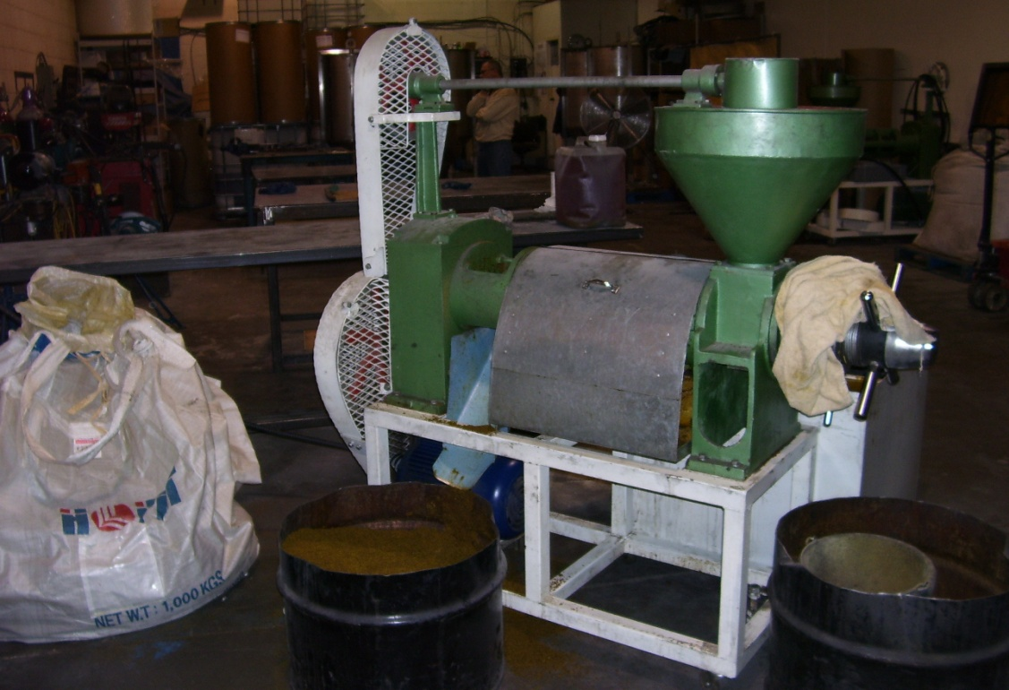
 | Equipment Capacity and Hours Specifications |  |  | Press #1 | Press #2 |  | Photo of a 5 ton per day press with an electic motor
Help | Crushing Capacity (tons per day in a 24 hour day) |  |  | 5 | 10
 | Hours worked per day crushing |  |  | 8.0 | 8.0
 | Tons crushed per day based on hours worked |  |  | 1.7 | 3.3
 | Total number of days required to crush feedstock |  |  | 56 | 28
Help | Labor hours per ton of oilseed crushed (feedstock) |  |  | 4.8 | 2.4
Help | Oil Recovery Rate |  |  | 72% | 76%
Help | Moisture loss in Meal during processing |  |  | 5% | 5%

 | Production Summary
 | Oil Production (gallons recovered) |  |  | 6,821 | 7,200
 | Average gallons of oil produced per day |  |  | 123 | 259

 | Total Tons Meal Produced |  |  | 62.3 | 60.9

 | Meal Revenue
Help | Enter the percent of the meal sold for cash |  |  | 80% | 80%

Help | Price (Market Value) per ton of meal |  |  | $320.00 | $320.00
Help | Transportation costs per ton of meal |  |  | $20.00 | $20.00
 | Net Cash Revenue (or Economic Value) |  |  | $300.00 | $300.00

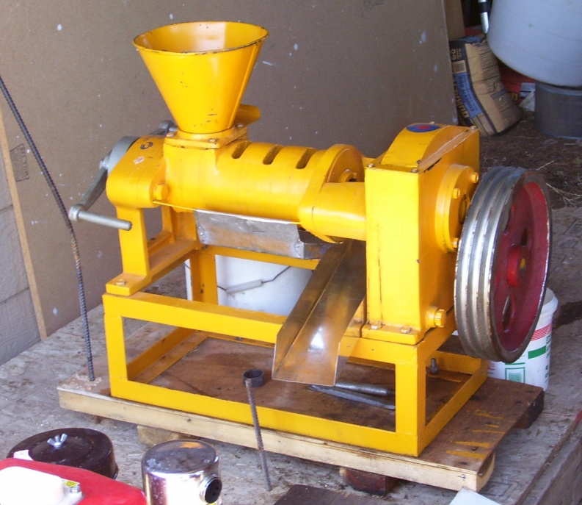
 | Capital Equipment Costs (Fixed costs)
 | Seed Storage Bin |  |  | $400 | $600 |  | Photo of a 1 ton per day press with no motor
 | Mechanical Press |  |  | $6,000 | $10,500
 | Power source for press |  |  | $0 | $0
 | Meal Storage Bin(s) |  |  | $500 | $800
 | Oil Storage Tank(s) |  |  | $300 | $500
 | Oil Filtration Equipment |  |  | $200 | $200
 | Valves and plumbing |  |  | $35 | $75
 | Building/Housing |  |  | $0 | $0
 | Facilities hook up costs, electric, water, etc. |  |  | $0 | $0
 | Other #1 |  |  | $0 | $0
 | Other #2 |  |  | $0 | $0
 | Other #3 |  |  | $0 | $0
 |  |  | Total Oilseed Processing Equipment Purchase Costs | $7,435.00 | $12,675.00

 | Interest Rate on Capital Investment |  |  | 7.5% | 7.5%
 | Length of Loan (years) |  |  | 5 | 5
 | Annual Principal Payment |  |  | $1,280.04 | $2,182.19
 | Annual Interest Payment |  |  | $557.63 | $950.63
 |  |  | Total Annual Loan Payment (P & I) | $1,837.67 | $3,132.81

 | Depreciation on Equipment (7 year straight line, zero salvage) |  |  | $1,062 | $1,811

 | Total Annual Taxes on Equipment/Capital Assets |  |  | $0 | $0
 | Added Annual Insurance on Equipment/Farm Coverage |  |  | $0 | $0
 | Other Annual Equipment Costs |  |  | $0.00 | $0.00

 | Operating Costs (Variable Costs)
Help | Hourly Labor Cost (Wages, Benefits, Payroll Taxes, etc.) |  |  | $8.00 | $8.00
 | Percent of Labor Costs paid in cash |  |  | 0.0% | 0.0%
 | Labor Costs per ton of feedstock crushed |  |  | $38.40 | $19.20
 |  |  | Subtotal Annual Labor Costs for Crushing | $3,552 | $1,776

 | Market Value of Feedstock used (Raised + Purchased) |  |  | $35,500 | $35,500

 | Other Operating Costs
 | Electric Motor Size (rated by Horse Power) |  |  | 7.0 | 17.5
Help | Motor Efficiency Rating |  |  | 77% | 81%
Help | Annual Electricity Cost | $/Kwh
 |  | 0.0757 |  | $228 | $271

Help | Annual Repair & Maintenance Cost
 | Other Annual Costs #1 |  |  | $100 | $150
 | Other Annual Costs #2 |  |  | $0 | $0
 | Other Annual Costs #3 |  |  | $0 | $0
 |  |  | Subtotal Other Annual Operating Costs | $328 | $421

 | Total Annual Operating Costs for Crushing |  |  | $39,380 | $37,697

 | Summary of Economic Revenue & Costs (See IncomeExp-CashFlow tab for Financial Summary

 | Production
 | Total tons of oilseed used as feedstock |  |  | 92.5
 | Tons of meal produced |  |  | 62.3 | 60.9
 | Gallons of oil produced |  |  | 6,821 | 7,200

 | Ownership Costs
 | Total Equipment Cost (Depreciation, Interest, Taxes, Insurance) |  |  | $1,620 | $2,761
 | Per ton of feedstock |  |  | $17.51 | $29.85
 | Per Gallon of Oil Produced |  |  | $0.24 | $0.38

 | Operating Costs
 | Cost of Purchased Feedstock |  |  | $22,000 | $22,000
 | Cost of Raised Feedstock |  |  | $6,000 | $6,000
 | Adjustment (Market Value minus Cost) |  |  | $7,500 | $7,500
 | Annual Feedstock Costs |  |  | $35,500 | $35,500
 | Other Operating Costs |  |  | $3,880 | $2,197
 |  |  | Subtotal Operating Costs | $39,380 | $37,697
 | Per ton of oilseed feedstock crushed |  |  | $425.73 | $407.53
 | Per Gallon of Oil Produced |  |  | $5.77 | $5.24

 | Total Annual Costs
 | Ownership + Operating Cost |  |  | $41,000 | $40,458
 | Per ton of oilseed feedstock crushed |  |  | $443.24 | $437.39
 | Per Gallon of Oil Produced |  |  | $6.01 | $5.62

 | Revenue/Value
 | Meal Cash Sales |  |  | $14,951.28 | $14,610.24
 | Meal On-Farm Use |  |  | $3,987 | $3,896
 | Total Meal Revenue/Market Value |  |  | $18,938 | $18,506
 | Net Per Ton of Meal |  |  | $304.00 | $304.00

 | Cost of Oil Production
 | Total Annual Cost Less Meal Revenue/Value |  |  | $22,061 | $21,952
 | Cost to Produce Oil as Input to Processing (per gallon) |  |  | $3.23 | $3.05

Biodiesel Production
 | Biodiesel Production Worksheet
 | Fill in all information in blue text that applies to this analysis
Common proportions for ingredients in biodiesel are 1 part oil, .18 parts methanol and .005 parts catalyst. These proportions are shown at left in blue text and can be changed to reflect actual proportions used.
 |  |  | Biodiesel Proportions
 |  |  | Parts in Mix | Percent of Mix
 |  | Oil | 1 | 86.58%
 |  | Methanol | 0.18 | 15.58%
 |  | Catalyst | 0.005 | 0.43%
 |  |  | 1.155 | 100.00%

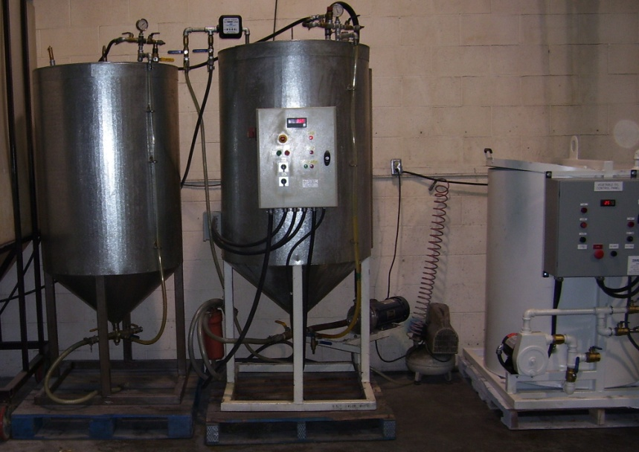
 |  |  | Processor #1 | Processor #2 | Photo of a 400 gallon per batch biodiesel processor
Help | Processor Size, Gallons Per Batch |  | 40 | 80
Help | Gallons of Oil Purchased |  | 50 | 50
Help | Cost of Purchased Oil |  | $1.25 | $1.25
 | Annual Gallons of Oil to Process (Purchased + Produced) |  | 6,871 | 7,250
 | Number of batches required to process oil |  | 172 | 91
 | Annual Gallons of Glycerin Produced as a by-product |  | 1,237 | 1,305

 | Input Costs
 | Cost of Raw Oil (from Oilseed Crushing Tab) |  | $3.23 | $3.05
Help | Average Cost of Oil (per gallon) |  | $3.22 | $3.04
 | Methanol (per gallon) |  | $5.25 | $5.25
Help | Catalyst (per lbs.) |  | $1.85 | $1.85

 | Purchase Cost of Biodiesel Production Equipment (Fixed Costs)
 | Lab Equipment: |  | Cost | Cost
Help | Lab Scale (accuracy 0.01 grams) |  | $0.00 | $0.00
Help | Lab Scale (accuracy 1.00 grams) |  | $35.00 | $35.00
Help | Titration Kit |  | $40.00 | $40.00
Help | Safety Equipment |  | $50.00 | $50.00
Help | Fire Safety |  | $100.00 | $100.00 | Photo of part of a home build biodiesel processor
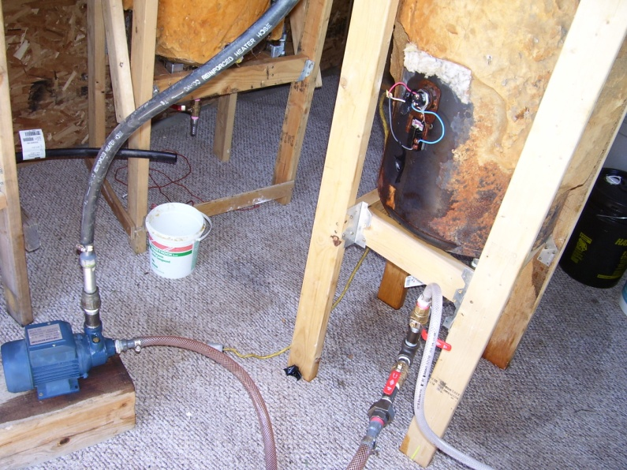
 | Other #1 |  | $0.00 | $0.00
 | Other #2 |  | $0.00 | $0.00
 | Other #3 |  | $0.00 | $0.00

 | Material Storage Equipment
Help | Incoming oil filter |  | $16.50 | $16.50
 | Methanol Storage: |  | $0.00 | $0.00
 | Catalyst Storage: |  | $0.00 | $0.00
 | Pump #1 (Pumps unprocessed oil into the processor) |  | $49.00 | $49.00
 | Valves and plumbing |  | $25.00 | $25.00
 | Other #1 |  | $0.00 | $0.00

 | Processing Equipment
Help | Ready to Use Processor |  | $2,495 | $4,745
Help | Re-Action Tank: |  | $0.00 | $0.00
Help | Methanol recovery system: |  | $0.00 | $0.00
Help | Biodiesel/Glycerin Separation system |  | $0.00 | $0.00
Help | Biodiesel washing equipment |  | $0.00 | $0.00
Help | Biodiesel drying equipment |  | $325.00 | $325.00
 | Valves and plumbing |  | $35.00 | $35.00
Help | Optional Tank Heater |  | $36.00 | $80.00
 | Other #2 |  | $0.00 | $0.00
 | Other #3 |  | $0.00 | $0.00

 | Final Product Storage Equipment
 | Biodiesel Storage Tanks |  | $50.00 | $200.00
 | Glycerin Storage Tanks |  | $50.00 | $100.00
Help | Biodiesel Fueling Pump |  | $149.00 | $149.00
 | Other #1 |  | $0.00 | $0.00
 | Total Equipment Purchase Cost |  | $3,455 | $5,950

Help | Interest Rate on Capital Investment |  | 7.5% | 7.5%
 | Length of Loan (years) |  | 5 | 5
 | Annual Principal Payment |  | $595 | $1,024
 | Annual Interest Payment |  | $259 | $446
 | Annual Loan Payment |  | $854 | $1,471

 | Depreciation on Equipment (7 year straight line, zero salvage) |  | $494 | $850

 | Total Annual Taxes on Equipment/Capital Assets |  | $0 | $0
 | Added Annual Insurance on Equipment/Farm Coverage |  | $0 | $0
 | Other Annual Equipment Costs |  | $0 | $0

 | Operating Costs (Variable Costs) - Biodiesel Production Only
 | Gallons of Oil Purchased |  | 50 | 50
 | Cost of Purchased Oil |  | $1.25 | $1.25
 | Purchased Oil Cost (Annual) |  | $63 | $63
 | Methanol Cost (Annual) |  | $6,493 | $6,851
 | Catalyst Cost (Annual) |  | $477 | $503

Help | Cost of replacement filter |  | $6.50 | $7.25
 | Number of gallons processed by each filter |  | 400 | 500
 | Annual Filter Cost |  | $111.65 | $105.12

 | Lab Chemicals
Help | Cost of Phenolphthalein (1% Solution) |  | $9.50 | $9.50
 | Size of Phenolphthalein Bottle (measured in mL) |  | 125 | 125
 | Annual Phenolphthalein Cost |  | $26.11 | $13.77

Help | Cost of Titration Syringe (one) |  | $1.25 | $1.25
 | Annual Syringe Cost |  | $32.21 | $16.99
Help | Annual Cost of all other lab supplies |  | $2.50 | $2.50
Help | Fuel Additive |  | $0.00 | $0.00
 | Other Annual Cost #1 |  | $0.00 | $0.00
 | Other Annual Cost #2 |  | $0.00 | $0.00
 | Other Annual Cost #3 |  | $0.00 | $0.00

Help | Hourly Labor Rate (cash paid or value of) |  | $8.00 | $8.00
 | Labor Hours per batch |  | 3 | 4
 | Percent of labor costs paid as cash wages |  | 0% | 0%
 | Economic Value of Labor Cost per batch |  | $24 | $32
Help | Annual Labor Cost (economic value) |  | $4,122 | $2,900

 | Fuel Quality Testing
Help | Cost of Test #1 |  | $5.49 | $5.49
Help | Frequency of Test #1 |  | 2 | 2
 | Annual Cost of Test #1 |  | $471.51 | $248.76
 | Cost per gallon of fuel |  | $0.07 | $0.03

Help | Cost of Test #2 |  | $800.00 | $800.00
Help | Frequency of Test #2 |  | 173 | 91
 | Annual Cost of Test #2 |  | $794.31 | $796.67
 | Cost per gallon of fuel |  | $0.12 | $0.11

 | Total Annual Operating Costs for Biodiesel Processing |  | $12,593 | $11,500

 | Government Payments
 | Subsidies
Help | Federal Subsidies Per Gallon |  | $0.00 | $0.00
Help | State Subsidies Per Gallon |  | $0.10 | $0.10
 | Total Per Gallon |  | $0.10 | $0.10

Help | Other Federal Subsidies (Annual) |  | $0.00 | $0.00
Help | Other State Subsidies (Annual) |  | $0.00 | $0.00
 | Total Other Subsidies (Annual) |  | $0.00 | $0.00

 | Total Subsides |  | $687.08 | $724.97

Help | Glycerin Revenue Per Gallon |  | $0.05 | $0.05
 | Total Glycerin Revenue |  | $62 | $65

 | Summary

 | Average Cost of Oil (Including Seed and Crushing Costs) |  | $3.22 | $3.04
 | Biodiesel Processing Costs Per Gallon |  | $1.94 | $1.77
 | Total Costs Per Gallon |  | $5.16 | $4.80
 | Minus Glycern Revenue & Subsidies |  | $0.11 | $0.11
 | Net Cost Per Gallon (before fuel taxes) |  | $5.05 | $4.69
Help | Federal Fuel Tax |  | $0.244 | $0.244
Help | Montana Fuel Tax |  | $0.285 | $0.285
 | Biodiesel Production Cost (including fuel taxes) |  | $5.58 | $5.22

 | Capital Costs per Gallon (Depreciation, Interest, Tax & Insurance) |  | $0.11 | $0.18
 | Variable Costs per Gallon |  | $5.05 | $4.62
 | Total Costs per Gallon (estimate is not cash flow adjusted) |  | $5.16 | $4.80
 | Total Subsidies per Gallon |  | $0.10 | $0.10
 | Costs offset by Glycerin Revenue per Gallon |  | $0.01 | $0.01
 | Biodiesel Production Cost Before Tax |  | $5.05 | $4.69

 | Current Petroleum Diesel Price (including taxes) |  | $3.99 | $3.99
 | Reduced Petroleum Diesel Expense |  | $27,414 | $28,926

 | Net Profit or Loss Per Gallon |  | ($1.59) | ($1.23)

